Sheet1
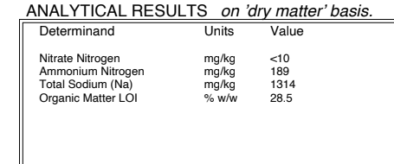
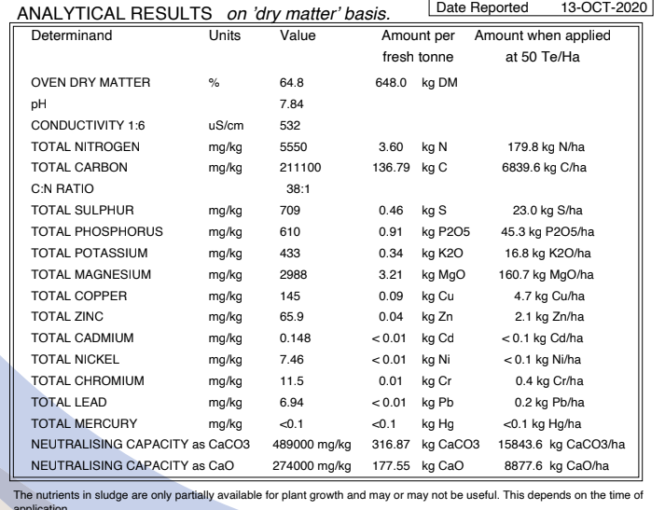
Board Component | Composition wt % | Notes on Cambond's bioresin blocking crosslinking biomass BCB technology [IP]:
Bioresin | 15 | 1. Feedstocks include DDGS and algae (for its manufacture)
Fly Ash | 20-40 | 2. The composite hardens and forms waterproof rigid structures (when extruded, moulded, pressed under heat and/or pressure
Paper sludge | 65-45 | 3. Isocyanate based cross linking agents react with phenol groups in biomass to form stable biocomposite network under heat

 |  | Results from using biocomposite resin on wood based and/or straw borad material:
 |  | 1. The bio-based urea-formaldehyde composite material for wood-based panels provided by the invention can greatly reduce the release amount of formaldehyde in the artificial board.
 |  | 2. It can enhance the bonding performance of the urea-formaldehyde glue to the wood material or the crop straw.
 |  | 3. It not only meets the environmental protection requirements but also expands the raw materials. Source, with obvious effects

 |  | Information relating to the properties and performance of biocomposite woodpanels using cambond resin:

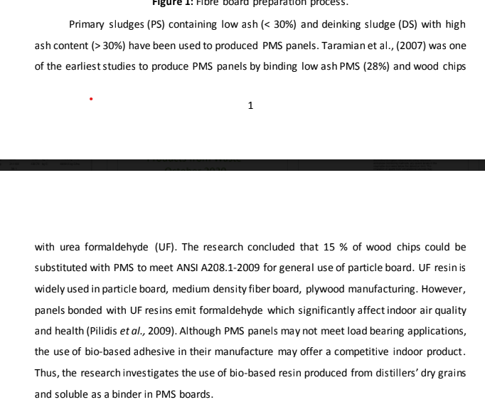
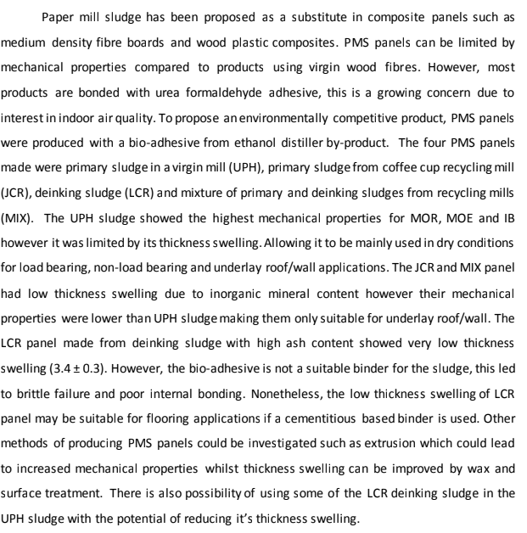

 |  | PMS feedstock analysis:

